IMP Terms
Overfitting | Underfitting | Evaluation Metrics | Confusion Matrix | ROC Curve | Area Under the ROC Curve | Cost Function | Cross Validation | Association Rule Learning | Standardization | Hyperparameter | Regularization | Normalization
Overfitting occurs when our machine learning model tries to cover all the data points or more than the required data points present in the given dataset. | Underfitting occurs when our machine learning model is not able to capture the underlying trend of the data. | Accuracy=Number of correct predictionsTodivided by total number of predictions | provides us a matrix/table as output and describes the performance of the model. It is also known as the error matrix. | An ROC curve (receiver operating characteristic curve) is a graph showing the performance of a classification model at all classification thresholds. This curve plots two parameters: 1. True Positive Rate 2. False Positive Rate | AUC stands for "Area under the ROC Curve." That is, AUC measures the entire two-dimensional area underneath the entire ROC curve (think integral calculus) from (0,0) to (1,1). | determines how well a machine learning model performs for a given dataset. | it is a technique to check how a statistical model generalizes to an independent dataset. | Association rule learning is a type of unsupervised learning technique that checks for the dependency of one data item on another data item and maps accordingly so that it can be more profitable | This technique uses mean and standard deviation for scaling of model. It is helpful when the mean of a variable is set to 0 and the standard deviation is set to 1. | the parameters that are explicitly defined by the user to control the learning process." | It is a technique to prevent the model from overfitting by adding extra information to it. | It is a data preparation techniques, which helps us to change the values of numeric columns in the dataset to use a common scale.
Because of this, the model starts caching noise and inaccurate values present in the dataset, and all these factors reduce the efficiency and accuracy of the model. | To avoid the overfitting in the model, the fed of training data can be stopped at an early stage, due to which the model may not learn enough from the training data. | For binary classification, accuracy can also be calculated in terms of positives and negatives as follows: Accuracy=TP+TN Divided by TP+TN+FP+FN | The matrix is divided into two dimensions, that are predicted values and actual values along with the total number of predictions. | TPR=TPTP+FN and FPR=FPFP+TN | AUC provides an aggregate measure of performance across all possible classification thresholds. | It calculates the difference between the expected value and predicted value and represents it as a single real number. | there is always the need to test the stability of the model. It means based only on the training dataset; we can't fit our model on the training dataset. | It tries to find some interesting relations or associations among the variables of dataset. It is based on different rules to discover the interesting relations between variables in the database. | Scale values are not restricted to a specific range. It is comparatively less affected by outliers. | These are used to specify the learning capacity and complexity of the model. Some of the hyperparameters are used for the optimization of the models, such as Batch size, learning rate, etc., and some are specific to the models, such as Number of Hidden layers, etc. | Sometimes the machine learning model performs well with the training data but does not perform well with the test data. | Normalization is no mandate for all datasets available in machine learning, it is used whenever the attributes of the dataset have different ranges.
The overfitted model has low bias and high variance.It means the more we train our model, the more chances of occurring the overfitted model. | As a result, it may fail to find the best fit of the dominant trend in the data.An underfitted model has high bias and low variance. | The Recall is calculated as the ratio between the numbers of Positive samples correctly classified as Positive to the total number of Positive samples. The recall measures the model's ability to detect positive samples. The higher the recall, the more positive samples detected. | Predicted values are those values, which are predicted by the model, and actual values are the true values for the given observations. | An ROC curve plots TPR vs. FPR at different classification thresholds. Lowering the classification threshold classifies more items as positive, thus increasing both False Positives and True Positives. . | AUC represents the probability that a random positive (green) example is positioned to the right of a random negative (red) example. | Cost function is a measure of how wrong the model is in estimating the relationship between X(input) and Y(output) Parameter | Methods ae: Validation Set Approach: We divide our input dataset into a training set and test or validation set in the validation set approach. Both the subsets are given 50% of the dataset. | Apriori Algorithm: This algorithm uses frequent datasets to generate association rules. It is designed to work on the databases that contain transactions. This algorithm uses a breadth-first search and Hash Tree to calculate the itemset efficiently. | Scikit-Learn provides a transformer called StandardScaler for Normalization. It is known as Z-score normalization. | these are external to the model, and their values cannot be changed during the training process. | It means the model is not able to predict the output when deals with unseen data by introducing noise in the output, and hence the model is called overfitted. This problem can be deal with the help of a regularization technique. | It helps to enhance the performance and reliability of a machine learning model.
There are some ways by which we can reduce the occurrence of overfitting in our model.Cross-Validation, Training with more data, Removing features, Early stopping the training, Regularization, Ensembling | In the case of underfitting, the model is not able to learn enough from the training data, and hence it reduces the accuracy and produces unreliable predictions. | Precision is defined as the ratio of correctly classified positive samples (True Positive) to a total number of classified positive samples (either correctly or incorrectly). | True Negative: Model has given prediction No, and the real or actual value was also No. True Positive: The model has predicted yes, and the actual value was also true. |  | AUC ranges in value from 0 to 1. A model whose predictions are 100% wrong has an AUC of 0.0; one whose predictions are 100% correct has an AUC of 1.0. | Gradient Descent is an optimization algorithm which is used for optimizing the cost function or error in the model. | K-Fold Cross-Validation: K-fold cross-validation approach divides the input dataset into K groups of samples of equal sizes. These samples are called folds. For each learning set, the prediction function uses k-1 folds, and the rest of the folds are used for the test set. | Eclat algorithm stands for Equivalence Class Transformation. This algorithm uses a depth-first search technique to find frequent itemsets in a transaction database. It performs faster execution than Apriori Algorithm. | Standardization in the machine learning model is useful when you are exactly aware of the feature distribution of data | The process of selecting the best hyperparameters to use is known as hyperparameter tuning,and the tuning process is also known as hyperparameter optimization. Optimization parameters are used for optimizing the model. | In regularization technique, we reduce the magnitude of the features by keeping the same number of features." | Normalization is a scaling technique in Machine Learning applied during data preparation to change the values of numeric columns in the dataset to use a common scale. It is not necessary for all datasets in a model. It is required only when features of machine learning models have different ranges.
Reasons for Overfitting are as follows: High variance and low bias The model is too complex The size of the training data | We van avoid underfitting By increasing the training time of the model and By increasing the number of features. |  | False Negative: The model has predicted no, but the actual value was Yes, it is also called as Type-II error. False Positive: The model has predicted Yes, but the actual value was No. It is also called a Type-I error. |  | AUC is scale-invariant. It measures how well predictions are ranked, rather than their absolute values. AUC is classification-threshold-invariant. It measures the quality of the model's predictions irrespective of what classification threshold is chosen. | types of Cost Function 1. Regression Cost Function. 2. Binary Classification cost Functions. 3. Multi-class Classification Cost Function. | Stratified k-fold cross-validation: it is a process of rearranging the data to ensure that each fold or group is a good representative of the complete dataset. To deal with the bias and variance, it is one of the best approaches. | The F-P growth algorithm stands for Frequent Pattern, and it is the improved version of the Apriori Algorithm. It represents the database in the form of a tree structure that is known as a frequent pattern or tree. The purpose of this frequent tree is to extract the most frequent patterns. | Standardization does not necessarily have a bounding range, so if you have outliers in your data, they will not be affected by Standardization. |  | Techniques are: 1. Ridge regression is mostly used to reduce the overfitting in the model, and it includes all the features present in the model. It reduces the complexity of the model by shrinking the coefficients. | Xn = (X - Xminimum) / ( Xmaximum - Xminimum) Xn = Value of Normalization,Xmaximum = Maximum value of a feature, Xminimum = Minimum value of a feature
Techniques to reduce overfitting:Increase training data. Reduce model complexity. | Reasons of underfitting, High bias and low variance The size of the training dataset used is not enough. The model is too simple. Training data is not cleaned and also contains noise in it. |  | With the help of the confusion matrix, we can calculate the different parameters for the model, such as accuracy, precision, etc. |  |  | the cost function is calculated as the error based on the distance, such as: 1. Error= Actual Output-Predicted output | Cross-Validation dataset: It is used to overcome the disadvantage of train/test split by splitting the dataset into groups of train/test splits, and averaging the result. |  |  |  | Lasso regression helps to reduce the overfitting in the model as well as feature selection. | Min-Max Scaling: This technique is also referred to as scaling. As we have already discussed above, the Min-Max scaling method helps the dataset to shift and rescale the values of their attributes, so they end up ranging between 0 and 1.
 | Techniques to reduce underfitting: Increase model complexity Increase the number of features, performing feature engineering Remove noise from the data. |  |  |  |  | 2. Binary Cost Function: Classification models are used to make predictions of categorical variables, such as predictions for 0 or 1, | Limitations are: 1. it provides the optimum output. 2. the data evolves over a period, due to which, it may face the differences between the training set and validation sets. |  |  |  |  | Standardization scaling is also known as Z-score normalization, in which values are centered around the mean with a unit standard deviation, which means the attribute becomes zero and the resultant distribution has a unit standard deviation
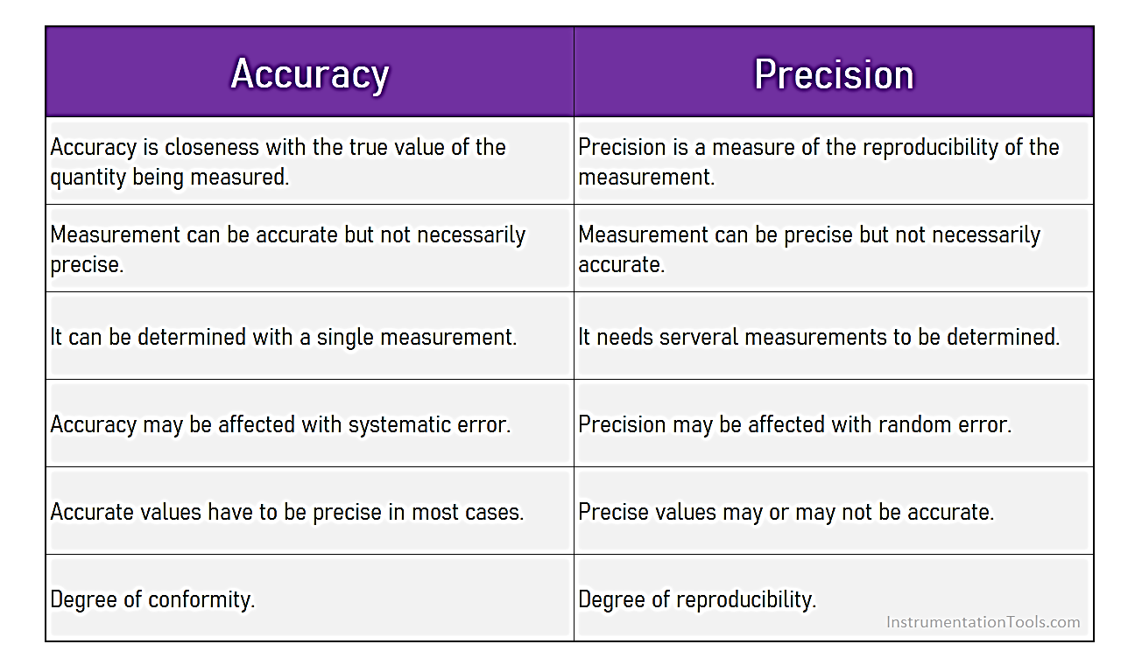

 |  | Recall | Precision
 |  | We only need positive samples to calculate the Recall for a model. All negative samples will be ignored. | When calculating the Precision of a model, it is important that we consider both the positive and negative samples that are being classified.
 |  | This allows us to determine how many positive samples have been correctly classified using the ML model. | This allows us to measure the ability to classify the positive samples in the model.
 |  | Recall of the ML model is dependent upon positive samples and independent of negative samples. | Precision of the ML model depends on both the negative as well as positive samples.
 |  | Recall cares about accurately classifying all positive samples. It doesn't care if any negative samples are classified as positive. | In Precision, all positive samples that are classified as positive should be considered either correctly or incorrectly.

How to handle imbalance dataset | Evaulate the Classification Model | Evaulate the Regression Model | How to Handle Outliers
1. Oversampling and undersampling: This technique is used to upsample or downsample the minority or majority class. When we are using an imbalanced dataset, we can oversample the minority class using replacement. This technique is called oversampling. Similarly, we can randomly delete rows from the majority class to match them with the minority class which is called undersampling. After sampling the data we can get a balanced dataset for both majority and minority classes. So, when both classes have a similar number of records present in the dataset, we can assume that the classifier will give equal importance to both classes. | Confusion Matrix? A confusion matrix is a summary of prediction results on a classification problem. The number of correct and incorrect predictions are summarized with count values and broken down by each class. This is the key to the confusion matrix. The confusion matrix shows the ways in which your classification model | Sum of Squared Error (SSE): “Sum of Squared Errors” (SSE) is a simple, straightforward method to fit intercept lines between points — and compare those lines to find out the best fit through error reduction. The errors are the sum difference between actual value and predicted value. Fitting the best intercept line
This technique is used to upsample or downsample the minority or majority class. When we are using an imbalanced dataset, we can oversample the minority class using replacement. This technique is called oversampling. Similarly, we can randomly delete rows from the majority class to match them with the minority class which is called undersampling. After sampling the data we can get a balanced dataset for both majority and minority classes. So, when both classes have a similar number of records present in the dataset, we can assume that the classifier will give equal importance to both classes. | Accuracy Score is the fraction of predictions our model got right. Formally, accuracy has the following definition: Accuracy = Number of correct predictions Total number of predictions. | The Mean Squared Error (MSE) is perhaps the simplest and most common loss function, often taught in introductory Machine Learning courses. To calculate the MSE, you take the difference between your model’s predictions and the ground truth, square it, and average it out across the whole dataset.
2. Choose Proper Evaluation Metric 1.The accuracy of a classifier is the total number of correct predictions by the classifier divided by the total number of predictions. This may be good enough for a well-balanced class but not ideal for the imbalanced class problem. The other metrics such as precision is the measure of how accurate the classifier’s prediction of a specific class and recall is the measure of the classifier’s ability to identify a class. | Classification Accuracy: It is one of the important parameters to determine the accuracy of the classification problems. It defines how often the model predicts the correct output. It can be calculated as the ratio of the number of correct predictions made by the classifier to all number of predictions made by the classifiers. The formula is given below: | Root Mean Square Error (RMSE) is the standard deviation of the residuals (prediction errors). Residuals are a measure of how far from the regression line data points are; RMSE is a measure of how spread out these residuals are. In other words, it tells you how concentrated the data is around the line of best fit.
3. SMOTE : Synthetic Minority Oversampling Technique : If we explain it in simple words, SMOTE looks into minority class instances and use k nearest neighbor to select a random nearest neighbor, and a synthetic instance is created randomly in feature space. imply adding duplicate records of minority class often don’t add any new information to the model. | Misclassification rate: It is also termed as Error rate, and it defines how often the model gives the wrong predictions. The value of error rate can be calculated as the number of incorrect predictions to all number of the predictions made by the classifier. | Absolute error refers to the magnitude of difference between the prediction of an observation and the true value of that observation. MAE takes the average of absolute errors for a group of predictions and observations as a measurement of the magnitude of errors for the entire group
4. BalancedBaggingClassifier: When we try to use a usual classifier to classify an imbalanced dataset, the model favors the majority class due to its larger volume presence. A BalancedBaggingClassifier is the same as a sklearn classifier but with additional balancing. It includes an additional step to balance the training set at the time of fit for a given sampler. This classifier takes two special parameters “sampling_strategy” and “replacement”. | Precision: It can be defined as the number of correct outputs provided by the model or out of all positive classes that have predicted correctly by the model, how many of them were actually true. | The coefficient of determination, R2, is used to analyse how differences in one variable can be explained by a difference in a second variable. More specifically, R-squared gives you the percentage variation in y explained by x-variables. The range is 0 to 1 (i.e. 0% to 100% of the variation in y can be explained by the x-variables). The coefficient of determination, R2, is similar to the correlation coefficient, R. The correlation coefficient formula will tell you how strong of a linear relationship there is between two variables. R Squared is the square of the correlation coefficient, r (hence the term r squared).
4. Threshold moving: For imbalanced class problems, this default threshold may not work properly. We need to change the threshold to the optimum value so that it can efficiently separate two classes. We can use ROC Curves and Precision-Recall Curves to find the optimal threshold for the classifier. We can also use a grid search method or search within a set of values to identify the optimal value. | Recall: It is defined as the out of total positive classes, how our model predicted correctly. The recall must be as high as possible.
 | By definition, F1-score is the harmonic mean of precision and recall. It combines precision and recall into a single number
 | F-measure: If two models have low precision and high recall or vice versa, it is difficult to compare these models. So, for this purpose, we can use F-score. This score helps us to evaluate the recall and precision at the same time. The F-score is maximum if the recall is equal to the precision.
 | ROC Curve: The ROC is a graph displaying a classifier's performance for all possible thresholds. The graph is plotted between the true positive rate (on the Y-axis) and the false Positive rate (on the x-axis).
 | Null Error rate: It defines how often our model would be incorrect if it always predicted the majority class. As per the accuracy paradox, it is said that "the best classifier has a higher error rate than the null error rate."
 | o The Area Under the Curve (AUC) is the measure of the ability of a classifier to distinguish between classes and is used as a summary of the ROC curve.
 | o The higher the AUC, the better the performance of the model at distinguishing between the positive and negative classes.

Poweer BI
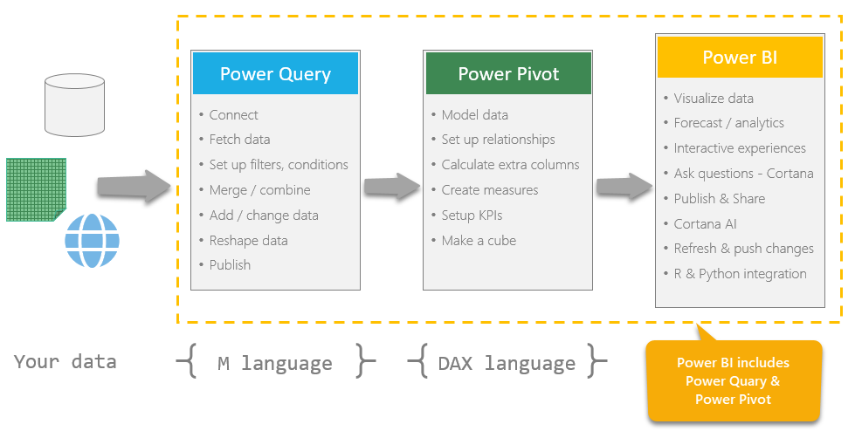
Power Query | Power Pivot | M Language | What is DAX | Other Terms
Power Query is a data transformation and data preparation engine. | Power Pivot is a calculation engine for pivot tables. | M language is a mashup query language for Power Query. M Language is used to manage and filter data in the Query Editor. | DAX, or Data Analysis Expressions, is another programming language in Power BI. | Aggregations: If you need to retrieve aggregated values from a table or dataset, then the best and fastest way to do so is with DAX aggregate functions.
Power Query comes with a graphical interface for getting data from sources and a Power Query Editor for applying transformations. | We use Power Pivot to model complex data, set up relationships between tables, calculate things to be show in value field area of Pivot tables / pivot charts or visuals. | M language is used in Power Query Editor to preprocess and transform data before it can be loaded into the Power BI model in a more compact and optimal way. | Technically, DAX is not a complete programming language, but a collection of functions and operators. | Filtering: In measures, filtering functions are among the most commonly used. They help to filter only the relevant information and/or edit the data context to create dynamic calculations without changing the data model and its tables.
Because the engine is available in many products and services, the destination where the data will be stored depends on where Power Query was used. | We can tell Power Pivot how we want our calculations done thru a language called as DAX and Power Pivot can give the answers. It is an extremely fast & scalable software. | M language can not be used in Data View or Report View in Power BI, instead, you should use the DAX. | DAX includes a collection of over 200 functions, operators, and constructs that can be used in a formula, or expression, to calculate and return one or more values. DAX is most similar to Microsoft Excel functions. | Define relationships: Power Query knows no relations. In DAX, on the other hand, you can define and change relationships, but also enforce them using referential integrity.
Using Power Query, you can perform the extract, transform, and load (ETL) processing of data. | Think of Power Pivot as a calculation layer between your data and outputs. | Any transformation you will do in Power Query Editor in Power BI is written in M language. | DAX helps you create new information from data already in your model. | Relationship functions (hierarchies). DAX contains functions to return e.g. the cardinality of relations and records.
Power Query enables connectivity to a wide range of data sources, including data of all sizes and shapes. | We can use various features of Power Pivot from Modeling ribbon and from data & relationship views. | M language like any other language has comments, variables , function …etc. | DAX used to analyze data after the data is loaded into the Model. | Calculated column that references a column from another table. With DAX, the user can easily insert columns from different tables into the formula. In Power Query, this maneuver requires complex joining and becomes complicated very quickly.
Power Query offers the ability to work against a subset of the entire dataset to define the required data transformations, allowing you to easily filter down and transform your data to a manageable size. |  |  | DAX cannot modify or insert individual values in tables.
The M language is the data transformation language of Power Query. Anything that happens in the query is ultimately written in M |  |  | DAX in Data View or Report view to perform in-depth data analysis after the data loaded in the memory.

SQL
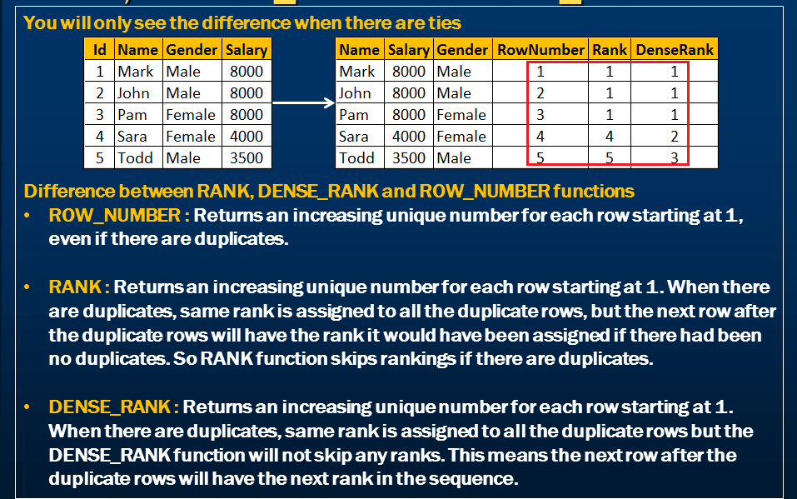

(INNER) JOIN: Returns records that have matching values in both tables
LEFT (OUTER) JOIN: Returns all records from the left table, and the matched records from the right table
RIGHT (OUTER) JOIN: Returns all records from the right table, and the matched records from the left table
FULL (OUTER) JOIN: Returns all records when there is a match in either left or right table
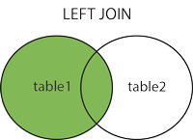
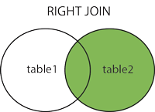
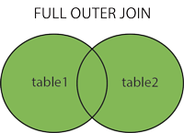
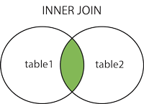

What is a Stored Procedure?

A stored procedure is a prepared SQL code that you can save, so the code can be reused over and over again.

So if you have an SQL query that you write over and over again, save it as a stored procedure, and then just call it to execute it.

You can also pass parameters to a stored procedure, so that the stored procedure can act based on the parameter value(s) that is passed.

